Scoring Matrix
Table 1 Risk 'Response' Matrix:
IMPACT | Catastrophic | 12 | 12 | 24 | 36 | 48 | 60
 | Major | 8 | 8 | 16 | 24 | 32 | 40
 | Moderate | 4 | 4 | 8 | 12 | 16 | 20
 | Minor | 2 | 2 | 4 | 6 | 8 | 10
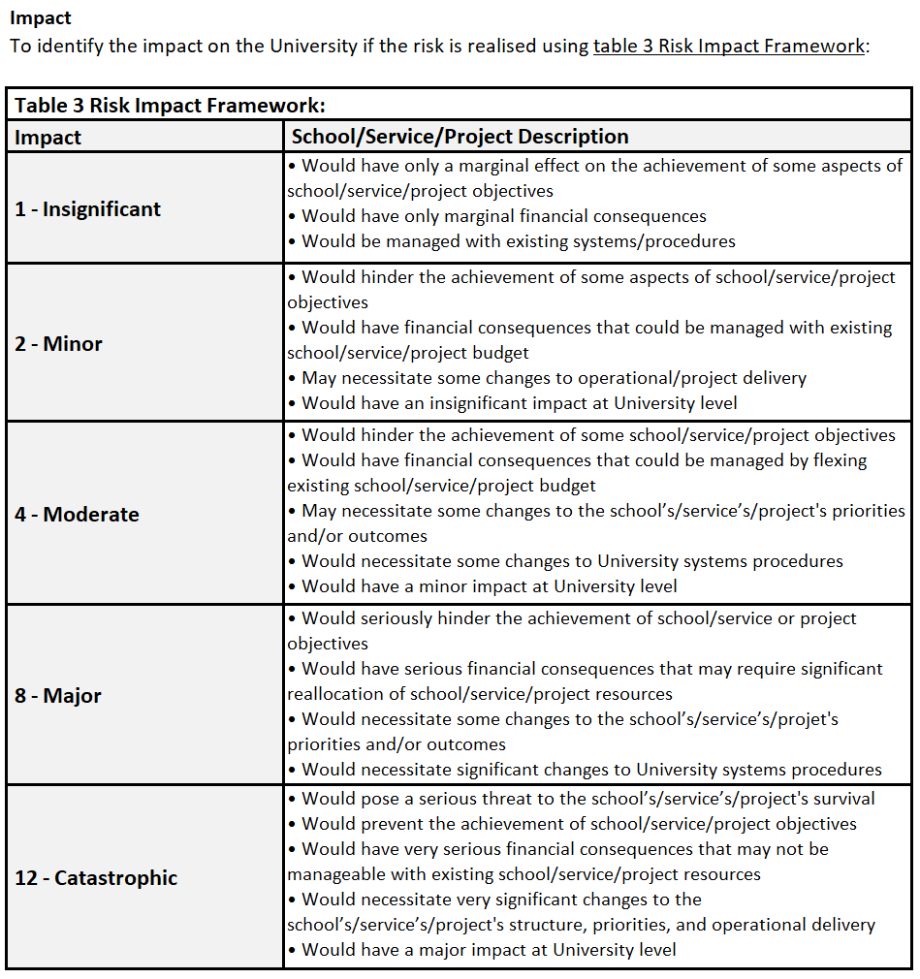
 | Insignificant | 1 | 1 | 2 | 3 | 4 | 5
 |  |  | 1 | 2 | 3 | 4 | 5
 |  |  | Very Low | Low | Medium | High | Very High
 |  |  | LIKELIHOOD
See the Risk Register 'Guidance' tab for further support in using the register template

